monthly
Shpilje HPP
 | Ref Net head | Net Head change | New Net head | Shpilje HPP | Jan | Feb | Mar | Apr | May | Jun | Jul | Aug | Sep | Oct | Nov | Dec
Jan | 91.3 | -0.15 | 77.61 | HPP Net head | 91.3 | 91.3 | 91.3 | 91.3 | 91.3 | 91.3 | 91.3 | 91.3 | 91.3 | 91.3 | 91.3 | 91.3
Feb | 91.3 | -0.15 | 77.61 | Net Head change | -0.15 | -0.15 | -0.10 | - | - | - | - | - | - | - | -0.10 | -0.15
Mar | 91.3 | -0.10 | 82.17 | New Net head | 77.61 | 77.61 | 82.17 | 91.30 | 91.30 | 91.30 | 91.30 | 91.30 | 91.30 | 91.30 | 82.17 | 77.61
Apr | 91.3 | - | 91.30
May | 91.3 | - | 91.30
Jun | 91.3 | - | 91.30
Jul | 91.3 | - | 91.30
Aug | 91.3 | - | 91.30
Sep | 91.3 | - | 91.30
Oct | 91.3 | - | 91.30
Nov | 91.3 | -0.10 | 82.17
Dec | 91.3 | -0.15 | 77.61

Net head (m) in Shpilje HPP - Reference and New operational rules scenarios

updated data
Source: Paper UPGRADING OF THE SPILJE HPP by J. Ivanova-Davidovic, V. Cingoski, V. Pavleski, V. Savevski
Parameter | Unit | Value
Total volume of the reservoir | MCM | 520
useful volume | MCM | 223
The designed normal working level | m.a.s.l | 580
The designed minimal working level | m.a.s.l | 575 then 562
Total average inflow to the Spilje profile | MCM | 1692
The turbine elevation | m.a.s.l | 485.75
The length of the penstock | m | 321.65
The diameter of the penstock | m | 4.5
Velocity of water flow through the penstock | m/s | 5.66
installed capacity | MW | 84
installed flow | m3/s | 36

Max volume of the reservoir | MCM | 585 | * Data shared by ELEM

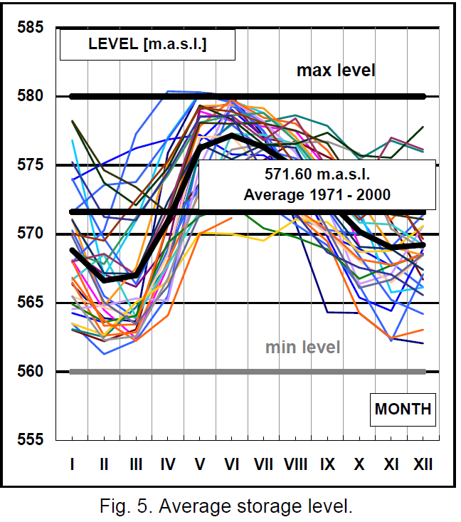
Operational rules | see the graph in page 7 of the paper
average of 1971-2000 | level(m)
Jan | 569
Feb | 566
Mar | 567
Apr | 570
May | 576
Jun | 578
Jul | 576
Aug | 575
Sep | 572
Oct | 570
Nov | 568
Dec | 569
min | 566
avg | 571
max | 578
min storage (560/585) | 96%

Elevation-Volume curve for Spilje (source: ELEM)
Level(m) | Volume(MCM)
490 | 0
495 | 0.6
500 | 4.9
505 | 12.4
510 | 23.1
520 | 23.15
530 | 92.4
540 | 143.9
550 | 209.1
560 | 288.9
570 | 385.1
580 | 506

